puzzles - There are always puzz
There are always puzzles! Identify them and clarify them.
Q dates | Scenario | Question | Date for solutino | Note
20240401 |  | Quantile regression versus the Laplacian distribution | 20240430? | 50%. Slides are not concise.
20240620 | New study plan | How do we do feature selection? LASSO in binary classicificaiton?
20240621 | Present a paper by Ruting | What is Cauchy-Schwarz inequality?
 |  | Why correlation is between -1 and 1?
 |  | What is a filtration?
 |  | What is a sigma field?
20240622 |  | How do we obtain ROC and AUC? | 20240623 | 90%. See below.

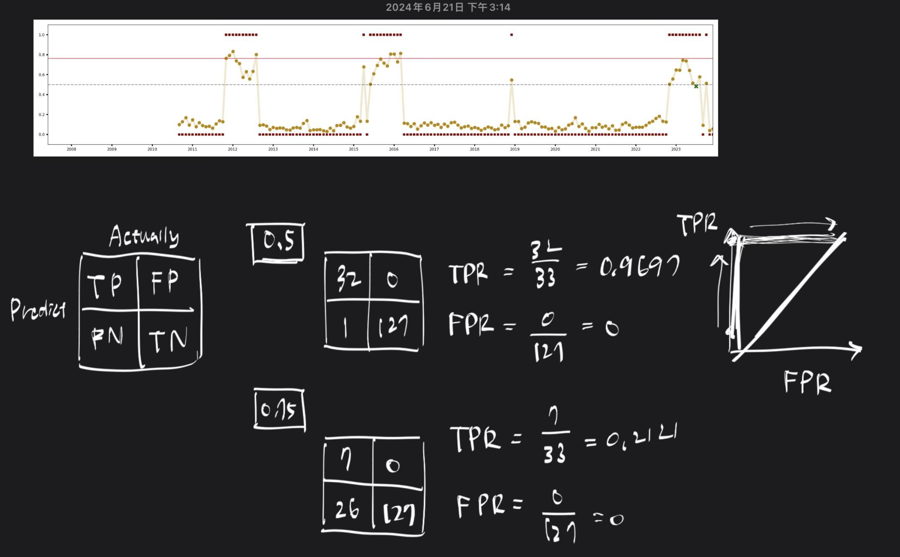
An explaination why Logistic Regression with lambda produces AUC about 1.00

final - In your final step, ple
In your final step, please organize your work in the following order, so that it could be improve by the next lab member.
Type | Item |  | Descriptions
iCloud | Yyyymmdd Lin Liu Ten ETF 0050.key |  | presentations
 | yyyymmdd Lin Liu Ten ETF 0050.numbers |  | Summary of the process
 | Yyyymm Lin Liu Ten ETF 0050.mp4 |  | vedio
 | yyyymmdd AUT1 AUT2 AU3 SSRN title.pdf |  | Full paper, in SSRN format
 | yyyymmdd AUT1 AUT2 AU3 thesis title.pdf |  | Thesis, NYCU format
 | Manuscript.zip |  | Downloaded the overleaf project
 | “Reference” |  | Inlcuding papers and keynote summary; filename starts with bibentry
 | “Coding” |  | coding
 | “Raw data” | readme.txt | A readme file: explaining the data.

Cloud storage | SSRN |  | Final version
 | overleaf |  | Manuscreipt writie-up
 | gitHUB |  | Codes and data (if allowed)
 | YouTube |  | 15 min talk for your project
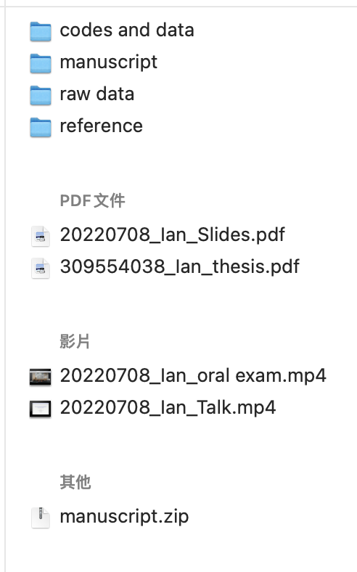
Ian’s example

